DECOMPOSIÇÃO ADITIVA
DECOMPOSIÇÃO ADITIVA |  |  | X(t) = T + S + (C + E)
 |  |  | X(t) - T = S + (C + E) |  |  |  |  |  |  | Q1 | Q2 | Q3 | Q4
 |  |  | X(t) - T - S = (C + E) |  |  |  |  |  |  |  |  | -7.00000 | 8.25000
t | período | X(t) | MM(4) | Tendência (T) | X(t) - T | Sazonal (S) | Erros + Ciclos (C+E) | Reconstruir |  | -2.50000 | 1.50000 | -7.62500 | 12.87500
1 | 19 Q1 | 10 |  |  |  | -5.093750 |  |  |  | -8.25000 | 2.62500 | -8.62500 | 10.13
2 | 19 Q2 | 14 |  |  |  | 2.531250 |  |  |  | -4.37500 | 3.62500 |  |  | SOMA | Correção
3 | 19 Q3 | 8 | 14.25 | 15.00000 | -7.00000 | -7.802083 | 0.802083 | 8.000000 | Média | -5.0416666667 | 2.5833333333 | -7.75 | 10.416666667 | 0.20833333333 | 0.052083333333
4 | 19 Q4 | 25 | 15.75 | 16.75000 | 8.25000 | 10.364583 | -2.114583 | 25.000000 | Efeito Sazonal | -5.09375 | 2.53125 | -7.8020833333 | 10.364583333 | 0 | 0
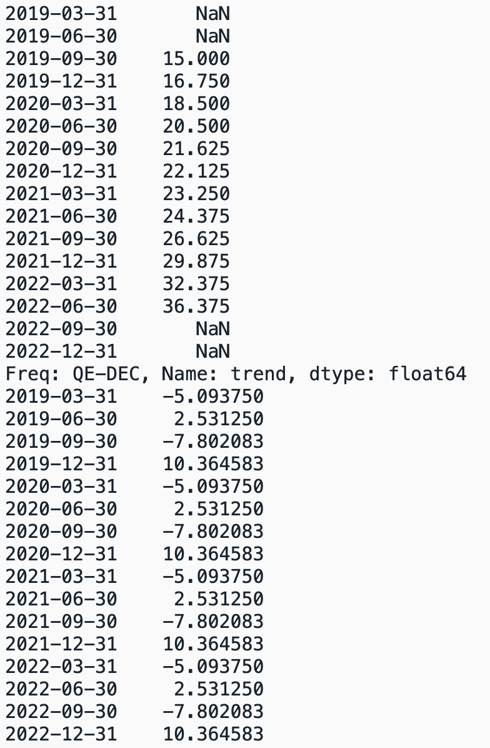
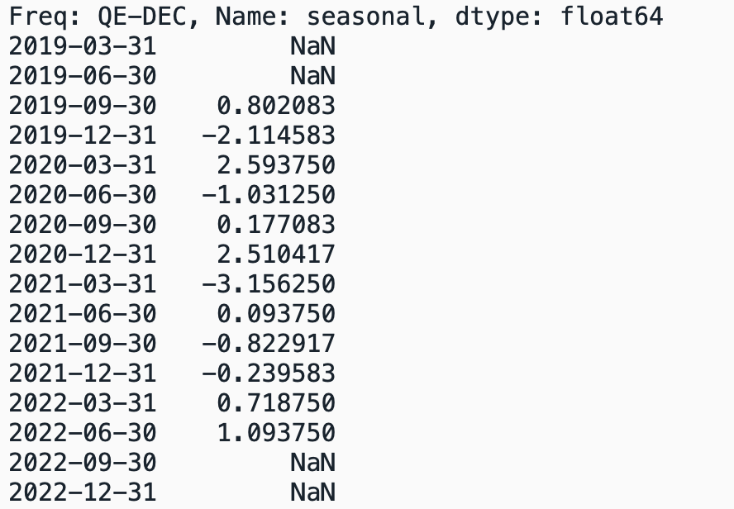
5 | 20 Q1 | 16 | 17.75 | 18.50000 | -2.50000 | -5.093750 | 2.593750 | 16.000000
6 | 20 Q2 | 22 | 19.25 | 20.50000 | 1.50000 | 2.531250 | -1.031250 | 22.000000
7 | 20 Q3 | 14 | 21.75 | 21.62500 | -7.62500 | -7.802083 | 0.177083 | 14.000000
8 | 20 Q4 | 35 | 21.5 | 22.12500 | 12.87500 | 10.364583 | 2.510417 | 35.000000
9 | 21 Q1 | 15 | 22.75 | 23.25000 | -8.25000 | -5.093750 | -3.156250 | 15.000000
10 | 21 Q2 | 27 | 23.75 | 24.37500 | 2.62500 | 2.531250 | 0.093750 | 27.000000
11 | 21 Q3 | 18 | 25 | 26.62500 | -8.62500 | -7.802083 | -0.822917 | 18.000000
12 | 21 Q4 | 40 | 28.25 | 29.87500 | 10.12500 | 10.364583 | -0.239583 | 40.000000
13 | 22 Q1 | 28 | 31.5 | 32.37500 | -4.37500 | -5.093750 | 0.718750 | 28.000000
14 | 22 Q2 | 40 | 33.25 | 36.37500 | 3.62500 | 2.531250 | 1.093750 | 40.000000
15 | 22 Q3 | 25 | 39.5 |  |  | -7.802083
16 | 22 Q4 | 65 |  |  |  | 10.364583

Dados Originais

Tendência - T
 | X(t)
 | 15
 | 16.75
 | 18.5
 | 20.5
 | 21.625
 | 22.125
 | 23.25
 | 24.375
 | 26.625
 | 29.875
 | 32.375
 | 36.375

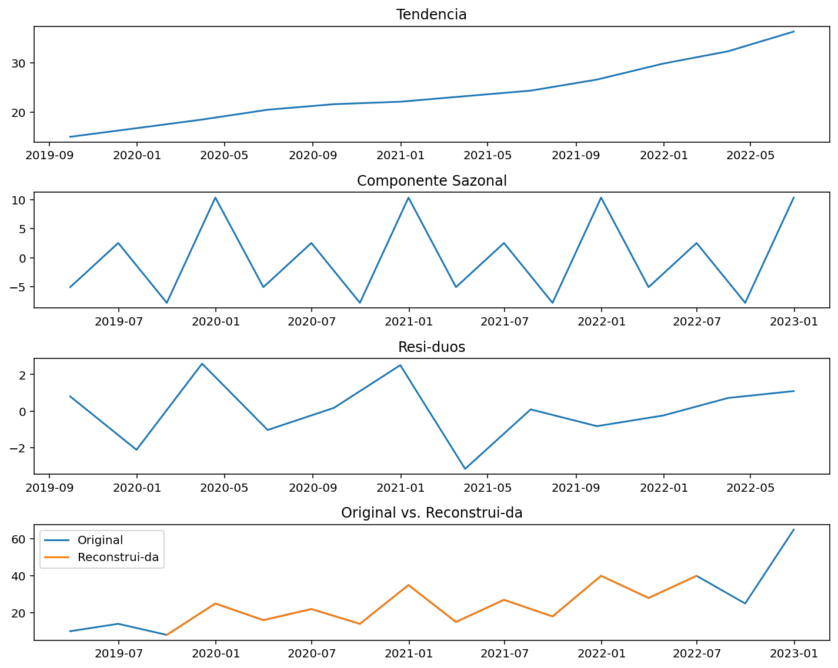
Sazonalidade - S

Erros
 | X(t)
 | 0.802083
 | -2.114583
 | 2.593750
 | -1.031250
 | 0.177083
 | 2.510417
 | -3.156250
 | 0.093750
 | -0.822917
 | -0.239583
 | 0.718750
 | 1.093750

DECOMPOSIÇÃO MULTIPLICATIVA
DECOMPOSIÇÃO MULTIPLICATIVA |  |  | X(t) = T*S*C*E
 |  |  | X(t)/T = S*(C*E) |  |  |  |  |  |  | Q1 | Q2 | Q3 | Q4
 |  |  | X(t)/(T*S) = (C*E) |  |  |  |  |  |  |  |  | 0.53333 | 1.49254
t | período | X(t) | MM(4) | Tendência - T | X(t)/T | Sazonal (S) | Erros (C*E) | Reconstruir |  | 0.86486 | 1.07317 | 0.64740 | 1.58192
1 | 19 Q1 | 10 |  |  |  | 0.79657111996 |  |  |  | 0.64516 | 1.10769 | 0.67606 | 1.34
2 | 19 Q2 | 14 |  |  |  | 1.1003313364 |  |  |  | 0.86486 | 1.09966 |  |  | SOMA | Correção
3 | 19 Q3 | 8 | 14.25 | 15.00 | 0.53333333333 | 0.62279241222 | 0.85635811045 | 8 | Média | 0.79163034002 | 1.0935064656 | 0.6189295051 | 1.4711234504 | 3.9751897611 | 1.0062412716
4 | 19 Q4 | 25 | 15.75 | 16.75 | 1.4925373134 | 1.4803051314 | 1.0082632842 | 25 | Efeito Sazonal | 0.79657111996 | 1.1003313364 | 0.62279241222 | 1.4803051314 | 4.000000 | 1
5 | 20 Q1 | 16 | 17.75 | 18.50 | 0.86486486486 | 0.79657111996 | 1.0857346484 | 16
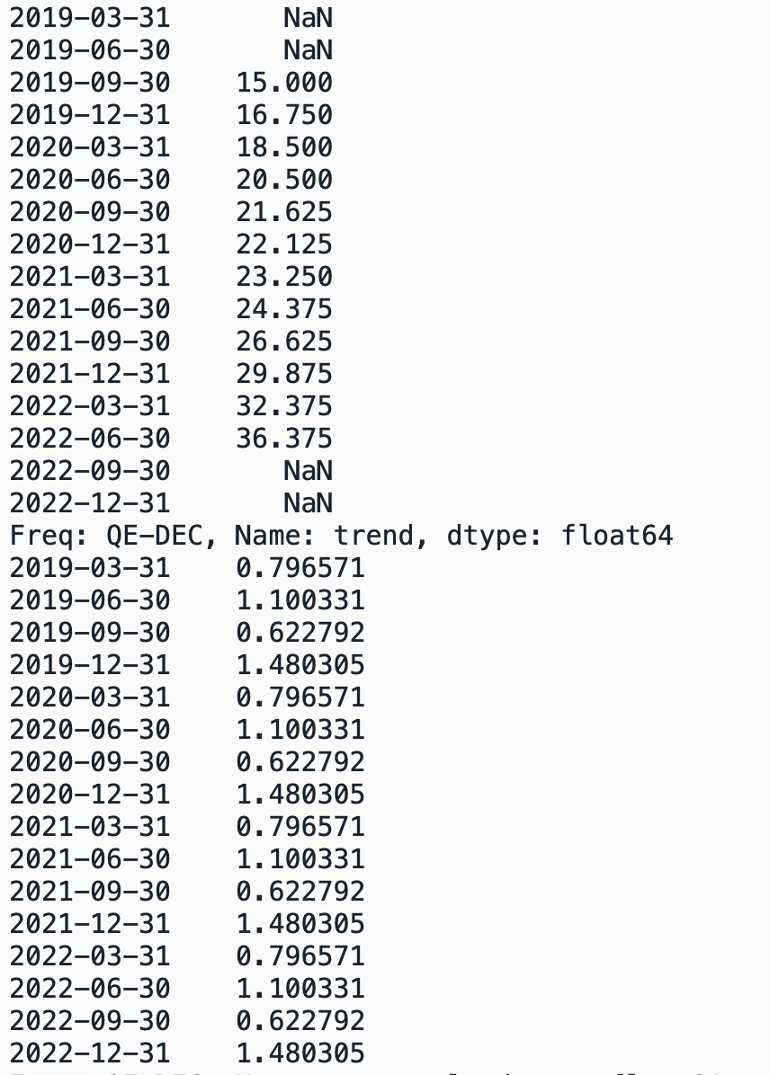
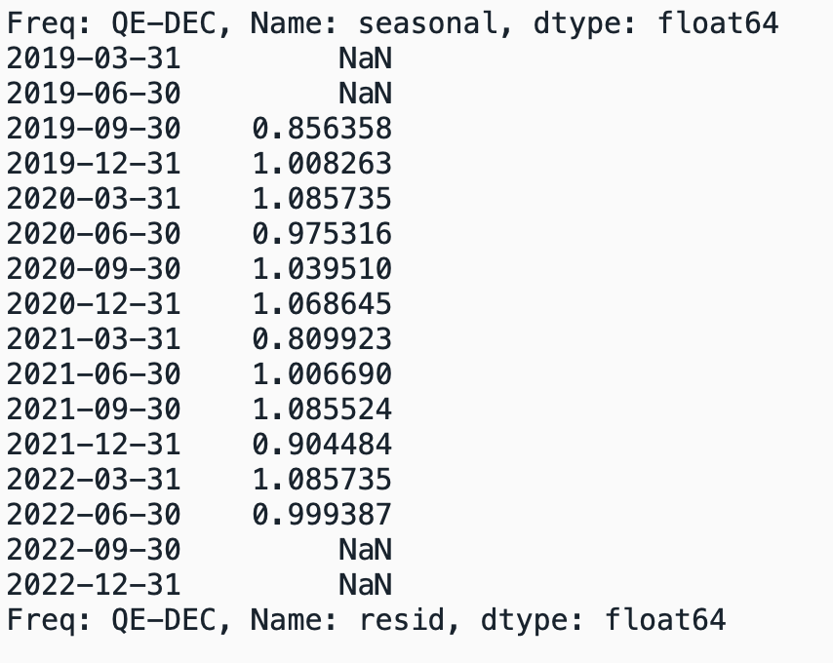
6 | 20 Q2 | 22 | 19.25 | 20.50 | 1.0731707317 | 1.1003313364 | 0.97531597637 | 22
7 | 20 Q3 | 14 | 21.75 | 21.63 | 0.64739884393 | 0.62279241222 | 1.0395098451 | 14
8 | 20 Q4 | 35 | 21.5 | 22.13 | 1.581920904 | 1.4803051314 | 1.0686451532 | 35
9 | 21 Q1 | 15 | 22.75 | 23.25 | 0.64516129032 | 0.79657111996 | 0.80992302402 | 15
10 | 21 Q2 | 27 | 23.75 | 24.38 | 1.1076923077 | 1.1003313364 | 1.006689777 | 27
11 | 21 Q3 | 18 | 25 | 26.63 | 0.67605633803 | 0.62279241222 | 1.0855243654 | 18
12 | 21 Q4 | 40 | 28.25 | 29.88 | 1.3389121339 | 1.4803051314 | 0.90448388342 | 40
13 | 22 Q1 | 28 | 31.5 | 32.38 | 0.86486486486 | 0.79657111996 | 1.0857346484 | 28
14 | 22 Q2 | 40 | 33.25 | 36.38 | 1.0996563574 | 1.1003313364 | 0.99938656748 | 40
15 | 22 Q3 | 25 | 39.5 |  |  | 0.62279241222
16 | 22 Q4 | 65 |  |  |  | 1.4803051314
Dados Originais

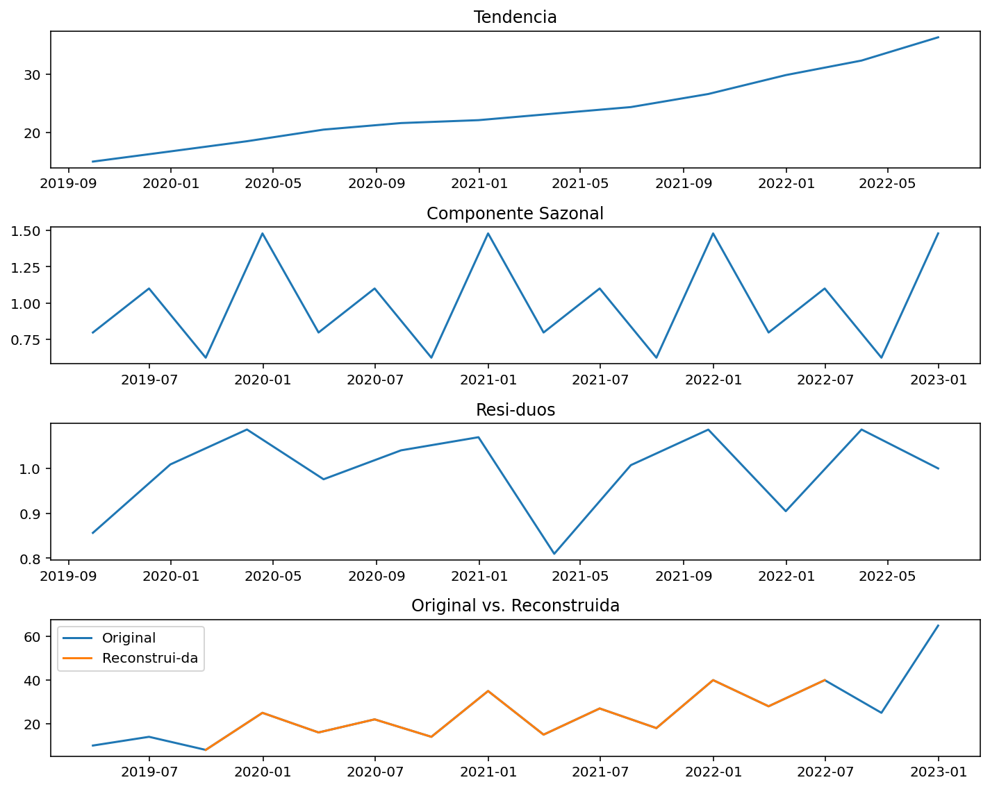

Tendência - T
 | X(t)
 | 15
 | 16.75
 | 18.5
 | 20.5
 | 21.625
 | 22.125
 | 23.25
 | 24.375
 | 26.625
 | 29.875
 | 32.375
 | 36.375

Sazonal - S

Erros - C*E
 | X(t)
 | 0.85635811045
 | 1.0082632842
 | 1.0857346484
 | 0.97531597637
 | 1.0395098451
 | 1.0686451532
 | 0.80992302402
 | 1.006689777
 | 1.0855243654
 | 0.90448388342
 | 1.0857346484
 | 0.99938656748

